Instructions
Diabetes Prediction Service
Xin Wang
2018

Purpose
This tool is a demonstration of the web service interface from Excel to Azure Machine Learning.
Given inputs about the health of a patient, the web service will run a classification model to determine whether the patient is diabetic.

Instructions
As a prerequisite, users must have the Azure ML add-in. The add-in is already installed into this file.

If this version is not compatible with your version of Excel, please install the add-in describe below:

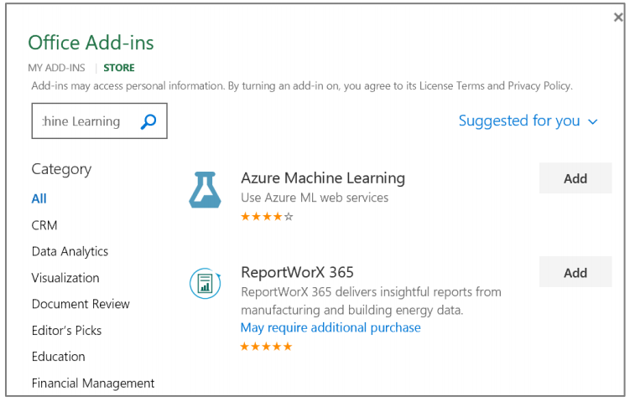

Given the information in columns A:I, the predictor will return columns J:M.

Column | Field Name | Description
J | PatientID2 | Repeats the Patient ID
K | Physician | Primary physician of the patient
L | DiabetesPrediction | 0 for no diabetes; 1 for diabetes
M | Probability | Confidence of prediction. 1 is high; 0 is low

Sample inputs are available from the "Use Sample Data" button.

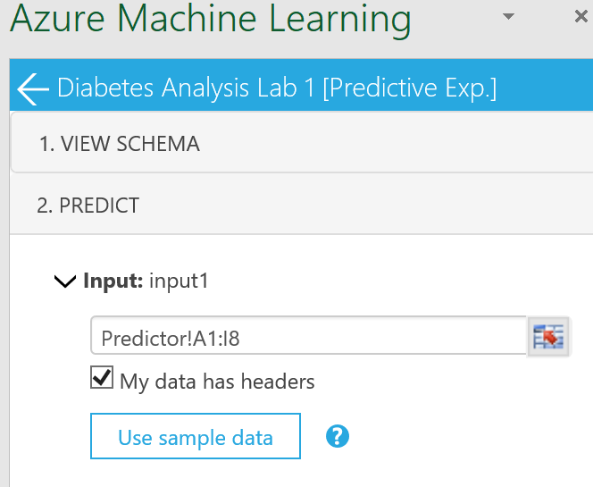

You may create additional rows in the table with new data to feed into the prediction model.

When ready, click the "Predict" button and the results will returned in the table.

Workflow
